country
CountryName | Sum of TotalSalePrice
United Kingdom | $ 10.6 M
France | $ 6.6 M
Spain | $ 2.5 M
United States | $ 2.0 M
Italy | $ 1.2 M
Switzerland | $ 1.0 M
Germany | $ 0.9 M
Belgium | $ 0.4 M

TOP 10
Customer.Town | Sum of TotalSalePrice
Marseille | $ 3.6 M
London | $ 3.0 M
Paris | $ 2.7 M
Birmingham | $ 2.6 M
Stoke | $ 1.9 M
Liverpool | $ 1.6 M
Madrid | $ 1.6 M
Los Angeles | $ 1.1 M
Manchester | $ 1.0 M
Barcelona | $ 0.9 M

TOP 5 VIP Customers

CustomerName | Sum of TotalSalePrice | Count of SalesDetailsID
Honest Pete Motors | $ 1.7 M | 12
Vive La Vitesse | $ 1.6 M | 13
Laurent Saint Yves | $ 1.5 M | 11
Antonio Maura | $ 1.4 M | 9
Le Luxe en Motion | $ 0.7 M | 11

DASHBORD

 | Sum of TotalSalePrice | Sum of PROFIT
Ferrari | $ 6.1 M | $ 1.4 M
Aston Martin | $ 5.6 M | $ 1.3 M
Lamborghini | $ 2.0 M | $ 0.5 M
Bugatti | $ 1.9 M | $ 0.3 M
Bentley | $ 1.8 M | $ 0.4 M
 | Total
Qtr1 | $490,901
Qtr2 | $630,500
Qtr3 | $225,385
Qtr4 | $238,640
Qtr1 | $914,580
Qtr2 | $993,830
Qtr3 | $2,491,075
Qtr4 | $1,907,150
Qtr1 | $2,430,470
Qtr2 | $2,904,990
Qtr3 | $1,749,325
Qtr4 | $1,244,390
Qtr1 | $3,588,500
Qtr2 | $2,287,735
Qtr3 | $2,119,460
Qtr4 | $1,021,160
TOP 5 VIP Customers
 | Sum of TotalSalePrice | Count of SalesDetailsID
Honest Pete Motors | $ 1.7 M | 12
Vive La Vitesse | $ 1.6 M | 13
Laurent Saint Yves | $ 1.5 M | 11
Antonio Maura | $ 1.4 M | 9
Le Luxe en Motion | $ 0.7 M | 11

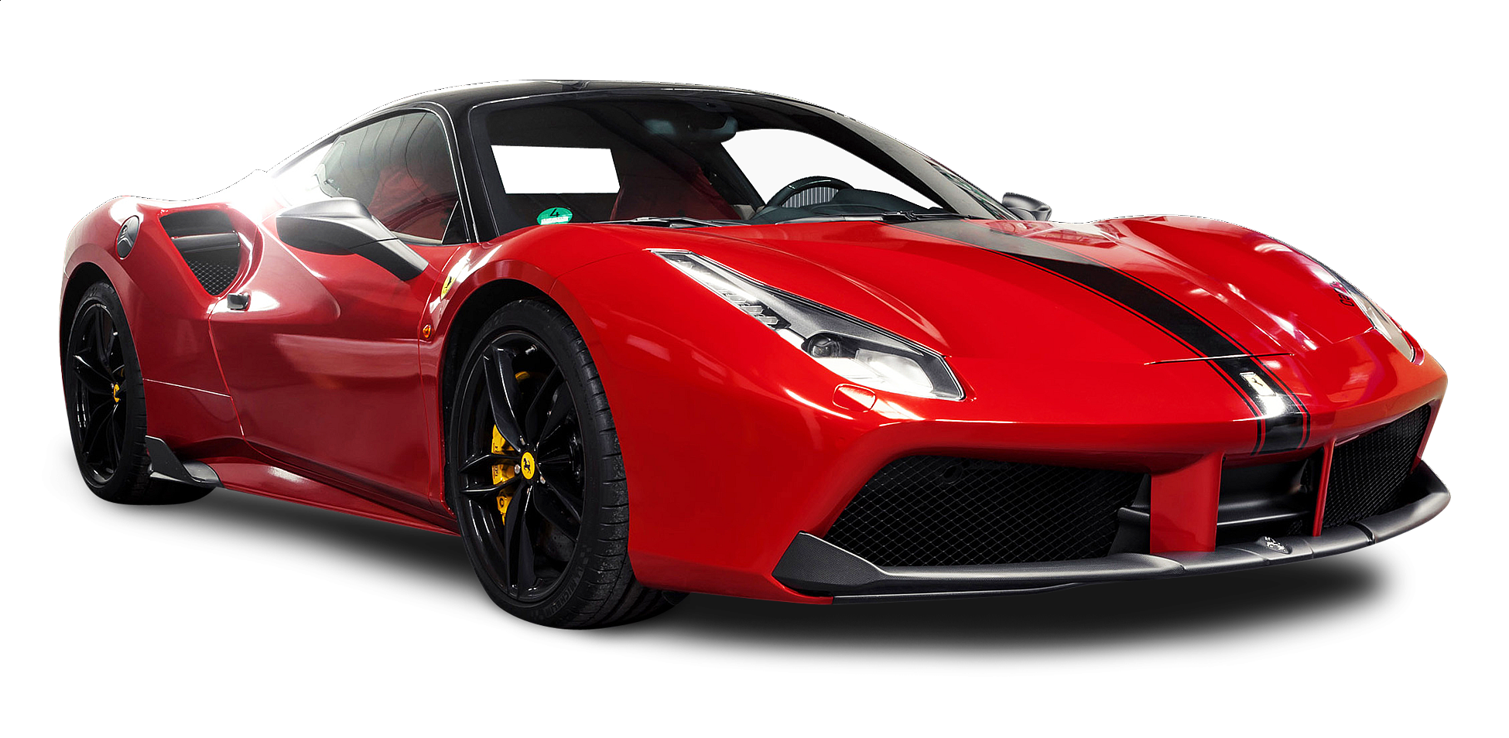
NUM OF SOLD CARS

351

Days to deliver
 | Total
0-10 | 249
10-20 | 51
20-30 | 22
TOTAL SALES
$ 25.2 M

TOTAL PROFIT
$ 6.5 M
 | Total
Black | 115
Blue | 38
British Racing Green | 34
Red | 33
Silver | 33
Night Blue | 32
Green | 24
Dark Purple | 16
Canary Yellow | 15
Pink | 11
Which Color Wins?

 | Total
Marseille | $ 3.6 M
London | $ 3.0 M
Paris | $ 2.7 M
Birmingham | $ 2.6 M
Stoke | $ 1.9 M
Liverpool | $ 1.6 M
Madrid | $ 1.6 M
Los Angeles | $ 1.1 M
Manchester | $ 1.0 M
Barcelona | $ 0.9 M
 | Total
United Kingdom | $ 10.6 M
France | $ 6.6 M
Spain | $ 2.5 M
United States | $ 2.0 M
Italy | $ 1.2 M
Switzerland | $ 1.0 M
Germany | $ 0.9 M
Belgium | $ 0.4 M
Average of SalePrice

$62,813

Sheet3
Row Labels | Count of SalesDetailsID
Black | 115
Blue | 38
British Racing Green | 34
Red | 33
Silver | 33
Night Blue | 32
Green | 24
Dark Purple | 16
Canary Yellow | 15
Pink | 11
Grand Total | 351

Sheet5
TOP 5
Row Labels | Sum of TotalSalePrice | Sum of PROFIT
Ferrari | $ 6.1 M | $ 1.4 M
Aston Martin | $ 5.6 M | $ 1.3 M
Lamborghini | $ 2.0 M | $ 0.5 M
Bugatti | $ 1.9 M | $ 0.3 M
Bentley | $ 1.8 M | $ 0.4 M
Grand Total | $ 17.3 M | $ 3.9 M

Sheet7
Count of SalesDetailsID | Sum of TotalSalePrice | Sum of PROFIT | Average of SalePrice | NUM OF SOLD CARS | TOTAL SALES | TOTAL PROFIT | Average of SalePrice
351 | $ 25.2 M | $ 6.5 M | $62,813 | 351 | $ 25.2 M | $ 6.5 M | $62,813

Row Labels | Sum of TotalSalePrice
2015 | $ 1.6 M
Qtr1 | $490,901
Qtr2 | $630,500
Qtr3 | $225,385
Qtr4 | $238,640
2016 | $ 6.3 M
Qtr1 | $914,580
Qtr2 | $993,830
Qtr3 | $2,491,075
Qtr4 | $1,907,150
2017 | $ 8.3 M
Qtr1 | $2,430,470
Qtr2 | $2,904,990
Qtr3 | $1,749,325
Qtr4 | $1,244,390
2018 | $ 9.0 M
Qtr1 | $3,588,500
Qtr2 | $2,287,735
Qtr3 | $2,119,460
Qtr4 | $1,021,160
Grand Total | $ 25.2 M

Sheet6
Days to deliver
days_to_deliver | Count of SalesDetailsID
0-10 | 249
10-20 | 51
20-30 | 22
Grand Total | 322

days_to_deliver | Count of SalesDetailsID
0-10 | 249
10-20 | 51
20-30 | 22
130-140 | 1
150-160 | 1
240-250 | 1
280-290 | 1
350-360 | 2
370-380 | 1
480-490 | 1
500-510 | 1
700-710 | 1
870-880 | 1
Grand Total | 333

